NK GBAZAR
4309 | 2019-04-02 | CHARBHUJA AMD | NK GHASBAZAR | 3 | 203 | 7 | ₹ 1,421.00
4562 | 2019-04-19 | SELF | NK GHASBAZAR | 16 | 1195 | 7 | ₹ 8,365.00
4655 | 2019-04-26 | SELF | NK GHASBAZAR | 41 | 2896 | 7 | ₹ 20,272.00
4712 | 2019-04-30 | SELF | NK GHASBAZAR | 40 | 2985 | 7 | ₹ 20,895.00
4855 | 2019-05-08 | OMKAR TEXTILE | NK GBAZAR | 31 | 1860 | 7 | ₹ 13,020.00
4923 | 2019-05-11 | OMKAR TEXTILE | NK GBAZAR | 23 | 1364 | 7 | ₹ 9,548.00
4933 | 2019-05-12 | OMKAR TEXTILE | NK GBAZAR | 3 | 223 | 7 | ₹ 1,561.00
5069 | 2019-05-21 | OMKAR TEXTILE | NK TEXTILE | 27 | 2037 | 7 | ₹ 14,259.00
5278 | 2019-06-02 | OMKAR TEXTILE | NK TEXTILE | 21 | 1365 | 7 | ₹ 9,555.00
5284 | 2019-06-04 | OMKAR TEXTILE | NK TEXTILE | 14 | 1010 | 7 | ₹ 7,070.00
5285 | 2019-06-04 | OMKAR TEXTILE | NK TEXTILE | 8 | 634 | 7 | ₹ 4,438.00
5371 | 2019-06-15 | OMKAR TEXTILE | NK TEXTILE | 41 | 2840 | 7 | ₹ 19,880.00

TOTAL |  |  |  | 268 | 18612 |  | ₹ 130,284
 |  |  |  |  |  |  | 52926

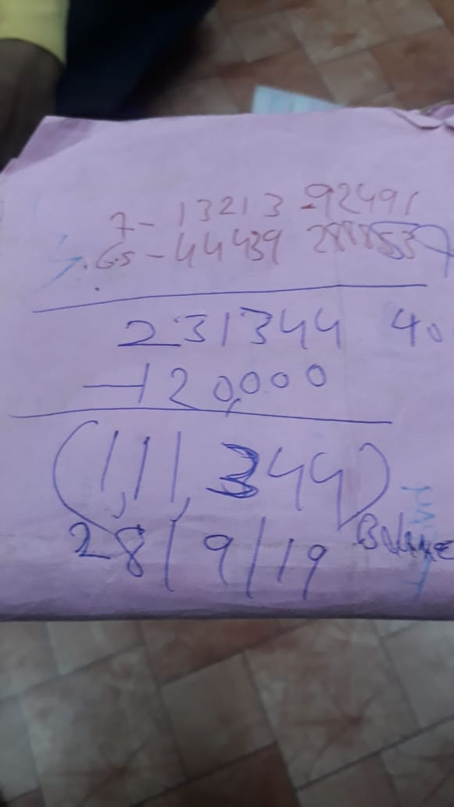
5506 | 2019-06-27 | OMKAR TEX | NK TEXTILE | 18 | 1368 | 7 | ₹ 9,576.00
5523 | 2019-06-28 | OMKAR TEX | NK TEXTILE | 9 | 673 | 7 | ₹ 4,711.00
5670 | 2019-07-12 | OMKAR TEXTILE | NK TEXTILE | 10 | 700 | 7 | ₹ 4,900.00
5704 | 2019-07-16 | OMKAR TEXTILE | NK TEXTILE | 12 | 840 | 7 | ₹ 5,880.00
5726 | 2019-07-17 | OMKAR TEXTILE | NK TEXTILE | 8 | 560 | 7 | ₹ 3,920.00
5738 | 2019-07-18 | OMKAR TEXTILE | NK TEXTILE | 19 | 1330 | 7 | ₹ 9,310.00
5754 | 2019-07-19 | OMKAR TEXTILE | NK TEXTILE | 4 | 280 | 7 | ₹ 1,960.00
5766 | 2019-07-20 | OMKAR TEXTILE | NK TEXTILE | 18 | 1260 | 7 | ₹ 8,820.00

TOTAL |  |  |  | 634 | 7011 |  | ₹ 49,077
 |  |  |  |  | BALANCE |  | ₹ 52,926
 |  |  |  |  |  |  | ₹ 102,003

 |  | Accounts done till | 2019-09-28 |  | BALANCE |  | ₹ 111,344

6769 | 2019-09-30 | OMKAR TEX | NK GARMENT | 16 |  | 6.5 | ₹ 0.00
6773 | 2019-10-01 | ACC AMD | NK GARMENT | 4 |  | 6.5 | ₹ 0.00
6781 | 2019-10-01 | ACC AMD | NK GARMENT | 14 |  | 6.5 | ₹ 0.00
6795 | 2019-10-02 | OMKAR TEX | NK GARMENT | 16 |  | 6.5 | ₹ 0.00
6796 | 2019-10-02 | OMKAR TEX | NK GARMENT | 20 |  | 6.5 | ₹ 0.00
6804 | 2019-10-02 | ATI AMD | NK GARMENT | 25 |  | 6.5 | ₹ 0.00
 |  |  |  |  |  | 6.5
 |  |  |  |  |  | 6.5
 |  |  |  |  |  | 6.5
 |  |  |  |  |  | 6.5
 |  |  |  |  |  | 6.5
 |  |  |  |  |  | 6.5
 |  |  |  |  |  | 6.5
 |  |  |  |  |  | 6.5
 |  |  |  |  |  | 6.5
 |  |  |  |  |  | 6.5
 |  |  |  |  |  | 6.5
 |  |  |  |  |  | 6.5
 |  |  |  |  |  | 6.5
 |  |  |  |  |  | 6.5
 |  |  |  |  |  | 6.5
 |  |  |  |  |  | 6.5
 |  |  |  |  |  | 6.5
 |  |  |  |  |  | 6.5
 |  |  |  |  |  | 6.5
 |  |  |  |  |  | 6.5
 |  |  |  |  |  | 6.5
TOTAL |  |  |  | 95 | 0 |  | ₹ 0
 |  | Accounts done till | 2019-09-28 |  | BALANCE |  | ₹ 111,344

2604 | 2020-07-04 | OMKAR TEX | NK GHASBAZAR | 11 | 849 | 6.5 | ₹ 5,518.50
2650 | 2020-07-07 | OMKAR TEX | NK GHASBAZAR | 11 | 682 | 6.5 | ₹ 4,433.00
2749 | 2020-07-10 | OMKAR TEXTILE | NK GHASBAZAR | 11 | 768 | 6.5 | ₹ 4,992.00
2820 | 2020-07-14 | OMKAR TEX | NK GHASBAZAR | 9 |  | 6.5 | ₹ 0.00
 |  |  |  |  |  | 6.5 | ₹ 0.00
 |  |  |  |  |  | 6.5 | ₹ 0.00
 |  |  |  |  |  | 6.5 | ₹ 0.00
 |  |  |  |  |  | 6.5 | ₹ 0.00
 |  |  |  |  |  | 6.5 | ₹ 0.00
 |  |  |  |  |  | 6.5 | ₹ 0.00
 |  |  |  |  |  | 6.5 | ₹ 0.00
 |  |  |  |  |  | 6.5 | ₹ 0.00
 |  |  |  |  |  | 6.5 | ₹ 0.00
 |  |  |  |  |  | 6.5 | ₹ 0.00
 |  |  |  |  |  | 6.5 | ₹ 0.00
 |  |  |  |  |  | 6.5 | ₹ 0.00
 |  |  |  |  |  | 6.5 | ₹ 0.00
 |  |  |  |  |  | 6.5 | ₹ 0.00
 |  |  |  |  |  | 6.5 | ₹ 0.00
 |  |  |  |  |  | 6.5 | ₹ 0.00
 |  |  |  |  |  | 6.5 | ₹ 0.00
 |  |  |  |  |  | 6.5 | ₹ 0.00
 |  |  |  |  |  | 6.5 | ₹ 0.00
 |  |  |  |  |  | 6.5 | ₹ 0.00
 |  |  |  |  |  | 6.5 | ₹ 0.00
 |  |  |  |  |  | 6.5 | ₹ 0.00
 |  |  |  |  |  | 6.5 | ₹ 0.00
TOTAL |  |  |  | 42 | 2299 |  | ₹ 14,944
 |  | Accounts done till | 2020-07-02 |  | BALANCE |  | ₹ 70,000

